Planning
Planning

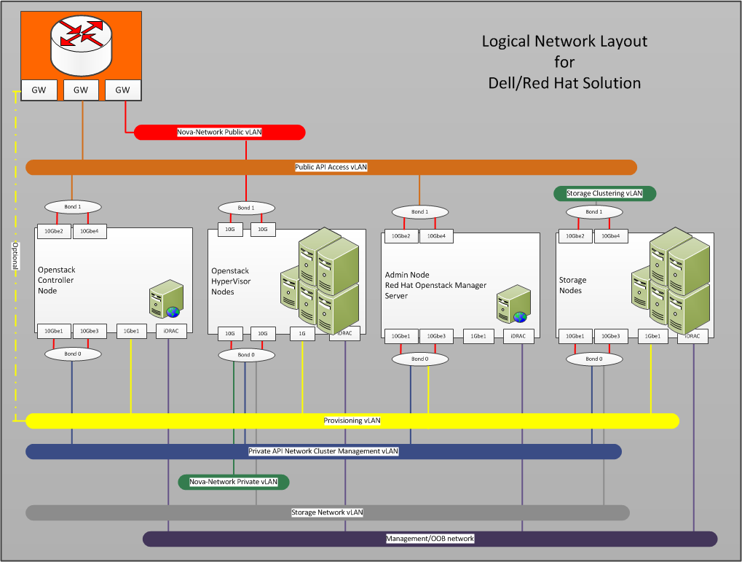

 |  |  | VLANs
 |  |  | ID | Description | Column1
 |  | 1 | 158 (NGN) | OOB | 10.148.45.0/24
 |  | 2 | 119 | Provisioner | 192.168.119.0/24
 |  | 3 | 140 | Private API | 192.168.123.0/24
 |  | 4 | 157 | Public API | 10.148.44.0/24
 |  | 5 | 130 | Nova-Network-Private | 192.168.130.0/24
 |  | 6 | 190 | Storage Network | 192.168.190.0/24
 |  | 7 | 191 | Ceph Cluster | 192.168.191.0/24
 |  | 8 | 207 | Nova-Network Public | 192.168.207.0/24

 | Original

General Configuration
General Configuration

Insert comments here.
 | Domain |  | Comments
 | Domain Name
 | DNS Server 1 IP
 | DNS Server 2 IP
 | DNS Server 3 IP

 | AAA - Authentication, Authorization and Accounting
 | Authentication Login 1st Method
 | Authentication Login 2nd Method
 | Authentication Enable 1st Method
 | Authentication Enable 2nd Method
 | Authorization Exec 1st Method
 | Authorization Exec 2nd Method
 | Authorization Commands 1st Method
 | Authorization Commands 2nd Method
 | Authorization Config-Commands
 | Accounting Exec Start-Stop
 | Accounting Commands Start-Stop
 | TACACS+/Radius Server1
 | TACACS+/Radius Server2
 | TACACS+/Radius Server3
 | TACACS+/Radius Key

 | Spanning-Tree
 | Spanning Tree Protocol
 | Current Root Bridge Priority

 | Time Settings
 | System Timezone
 | Internal NTP Server 1 IP (If existing)
 | Internal NTP Server 2 IP (If existing)
 | Internal NTP Server 3 IP (If existing)

 | Syslog
 | Syslog Server 1 IP (If required)
 | Syslog Server 2 IP (If required)
 | Syslog Server 3 IP (If required)
 | Syslog Facility | local7 (Default)

 | SNMP
 | SNMP Location
 | SNMP Contact
 | SNMP v1/v2c Community
 | Permission
 | Allowed IP Addresses | Any
 | SNMP v1/v2c Community
 | Permission
 | Allowed IP Addresses | Any
 | SNMP v1/v2c Community
 | Permission
 | Allowed IP Addresses | Any
 | SNMP v3 User
 | Authentication Password
 | Encryption Key
 | Permission
 | Allowed IP Addresses | Any
 | SNMP v3 User
 | Authentication Password
 | Encryption Key
 | Permission
 | Allowed IP Addresses | Any
 | Trap Destination IP
 | Version
 | Community
 | UDP Port Number | 162
 | Trap Destination IP
 | Version
 | Community
 | UDP Port Number | 162

